Test Case
Bug Report Template

Project Name | Full Test - DemoBlaze |  |  |  | Created Date | 2025-09-14 | Created By | Flavianus Delvin
Application Name | DemoBlaze |  |  |  | Start Fixing Date |  | Executed By | Flavianus Delvin
Environment | Frontend |  |  |  | Finish Fixing Date
 | Link: https://www.demoblaze.com |  |  |  | Test Environment | Prod/UAT

LBID | Test Bug Title | Test Bug Summary | Steps to Reproduce Bug | Input Data | Expected Result | Priority | Actual Result | Status | Developer Remarks | QA Remarks | Print Screen
LB_0001 | Authentication - Login & Sign Up | Verify Login with invalid username or password. | 1. Navigate to Sign Up 2. Try: 2.1 Enter valid username + wrong password 2.2 Enter wrong username + valid password 3. Click Login | Username: user123 Password: wrongpass | Error alert appears: “Wrong password” or "Wrong username" | High | o Error alert appears: “Wrong password” when user inserts invalid password o Error alert appears: "User does not exist" when user inserts invalid username | Failed |  | Fix: Give more concise error message | 1
LB_0002 | Authentication - Login & Sign Up | Verify Sign Up with existing username - case insensitive | 1. Navigate to Sign Up 2. Enter existing username but with case insensitive + password 3. Click Sign Up | Username: TeSTinGDLvn Password: dlvn123 | Error alert appears: “This user already exists” | High | User is successfully registered and can login with the credentials | Failed |  | If two users can register with the same username but different case (e.g., User123 vs user123), it can create duplicate accounts and security issues. Fix: Treat usernames as case-insensitive and validate against existing usernames. | 2
LB_0003 | Authentication - Login & Sign Up | Verify Sign Up with existing username - white space | 1. Navigate to Sign Up 2. Enter existing username but with white space + password 3. Click Sign Up | Username: testing dlvn Password: dlvn123 | Error alert appears: “This user already exists” | High | User is successfully registered and can login with the credentials | Failed |  | If usernames with leading/trailing spaces are treated as different (e.g., user 123 vs user123), it causes login confusion. Fix: Trim whitespace before validation and ensure uniqueness check is done correctly. | 3
LB_0004 | Authentication - Login & Sign Up | Verify Sign Up with username that contains special characters or symbols | 1. Navigate to Sign Up 2. Enter username that contains special characters + password 3. Click Sign Up | Username: TeSTinGDlvNInSeNsiTiVe!@#$123 Password: TeSTinGDlvNInSeNsiTiVe!@#$123 | Error alert appears: “Name should not contain special character like !,@,#,$, eLB” | High | User is successfully registered and can login with the credentials | Failed |  | Allowing special characters without restriction may lead to injection attacks or broken login behavior. Fix: Restrict disallowed characters, or clearly define and validate which special characters are acceptable. Show a warning if invalid characters are used. | 4
LB_0005 | Authentication - Login & Sign Up | Verify Sign Up with username or password length validation | 1. Navigate to Sign Up 2. Try: 2.1. Enter username and password that is very short 2.2. Enter username and password that is very long 3. Click Sign Up | For Step 2.1: Username: d1t Password: d1t For Step 2.2 Username: TestLimit1000Characters (x50) Password: TestLimit1000Characters (x50) | Error alert appears: “Username or Password should have more than 7 characters” or “Username or Password should not be more than 50 characters” | High | User is successfully registered and can login with the credentials | Failed |  | Very short usernames (e.g., 1 character) or excessively long usernames may cause system instability or UI issues. Fix: Set minimum (e.g., 3) and maximum length (e.g., 20) for usernames. | 5
LB_0006 | Homepage & Product Catalog | Verify pagination works correctly (next/previous buttons). | 1. Go to category with multiple product pages 2. Click Next 3. Click Previous |  | Next shows following products; Previous returns to earlier ones | High | When on the Category page, pagination works correctly. But if the user selects a specific category (e.g., Phones) and then clicks Previous/Next, the system shows products from a different category instead of staying within the selected one. | Failed |  | Browsing products via “Previous/Next” gives incorrect results. Fix: Ensure correct product sequence is shown according to user actions. | 6
LB_0007 | Checkout & Order Placement | Verify that all fields (Name, Country, City, Credit Card, Month, Year) accept valid input. | 1. Enter data in Name, Country, City, Credit Card, Month, Year | Dlvn, USA, NY, 1234567, 12, 2025 | Fields accept valid data | High | All fields (Name, Country, City, Credit Card, Month, Year) can be filled with any free text. There is no validation on input type or length (e.g., Credit Card accepts letters, Month/Year accept text, and fields allow unlimited characters). | Failed |  | Checkout fields (Name, Country, City, Credit Card, Month, Year) accept invalid or incomplete data, leading to order failure and ambiguity. Fix: Add field validation, use dropdowns for country/month, and date picker for expiration year. | 7
LB_0008 | UI & Usability Testing | Verify pop-up modals (Login, Sign Up, Contact, About Us, Place Order) are displayed properly and can be closed. | 1. Open Login, Sign Up, Contact, About Us, Place Order |  | Modals display correctly and can be closed | High | All modals display correctly and can be closed except for 'About Us' module, the media corrupted | Failed |  | The “About Us” section media is corrupted. Fix: Replace corrupted file and add error handling for broken media. | 8
LB_0009 | Performance & Negative Testing | Verify system behavior when adding a large number of items to the cart. | 1. Add many items (e.g., 50+) | 50 phones | System handles without crashing | Small | The system does not crash when adding many items, but ordering in bulk is inconvenient because: 1. User must add products one by one (no quantity selection). 2. Same products appear as separate rows in the cart instead of being grouped | Failed |  | Adding multiple items creates duplicate rows for the same product instead of grouping them. Fix: Group identical products in one row with a product counter. | 9
LB_0010 | Security Testing (Basic) | Verify user cannot access the cart without logging in. | 1. Log out 2. Try open cart |  | Redirect to login | High | Cart able to accessed without user need to log in | Failed |  | Users can access the Cart module without logging in. Fix: Redirect unauthenticated users to login and display a warning message. | 10
LB_0011 | Security Testing (Basic) | Verify that session ends after logout (user cannot go back using browser back button). | 1. Log in 2. Log out 3. Use browser Back |  | User cannot access previous pages | High | User able to go back to previous pages and restore User Session | Failed |  | After logout, clicking the browser back button may still show protected content if the session isn’t properly invalidated. Fix: Destroy session tokens on logout and prevent cached page access. | 11
LB_0012 | Security Testing (Basic) | Verify login attempts are handled properly (no brute-force login allowed). | 1. Attempt multiple wrong passwords | Same username, wrong password | System blocks after threshold (e.g., 5 attempts) | High | User able to insert as many login attempts without system blocking | Failed |  | Unlimited failed login attempts expose the system to brute force attacks. Fix: Lock account for x minutes after 5 failed attempts, and display a warning message. | 12

No | Print Screen
LB_0001
LB_0002
LB_0003
LB_0004
LB_0005
LB_0006 | 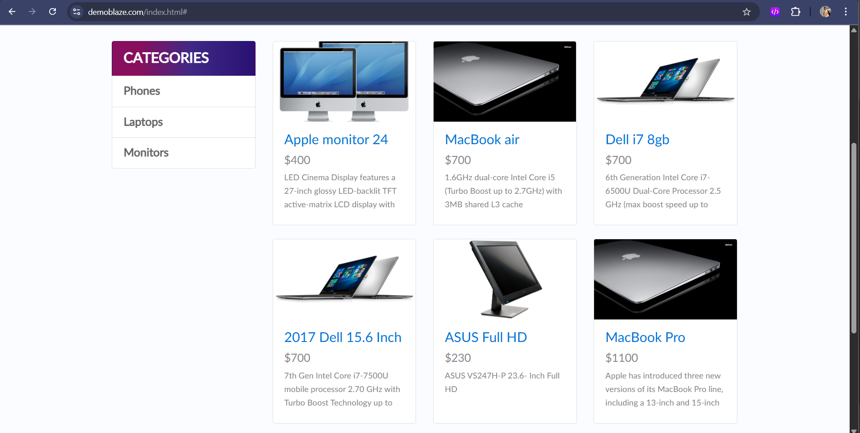 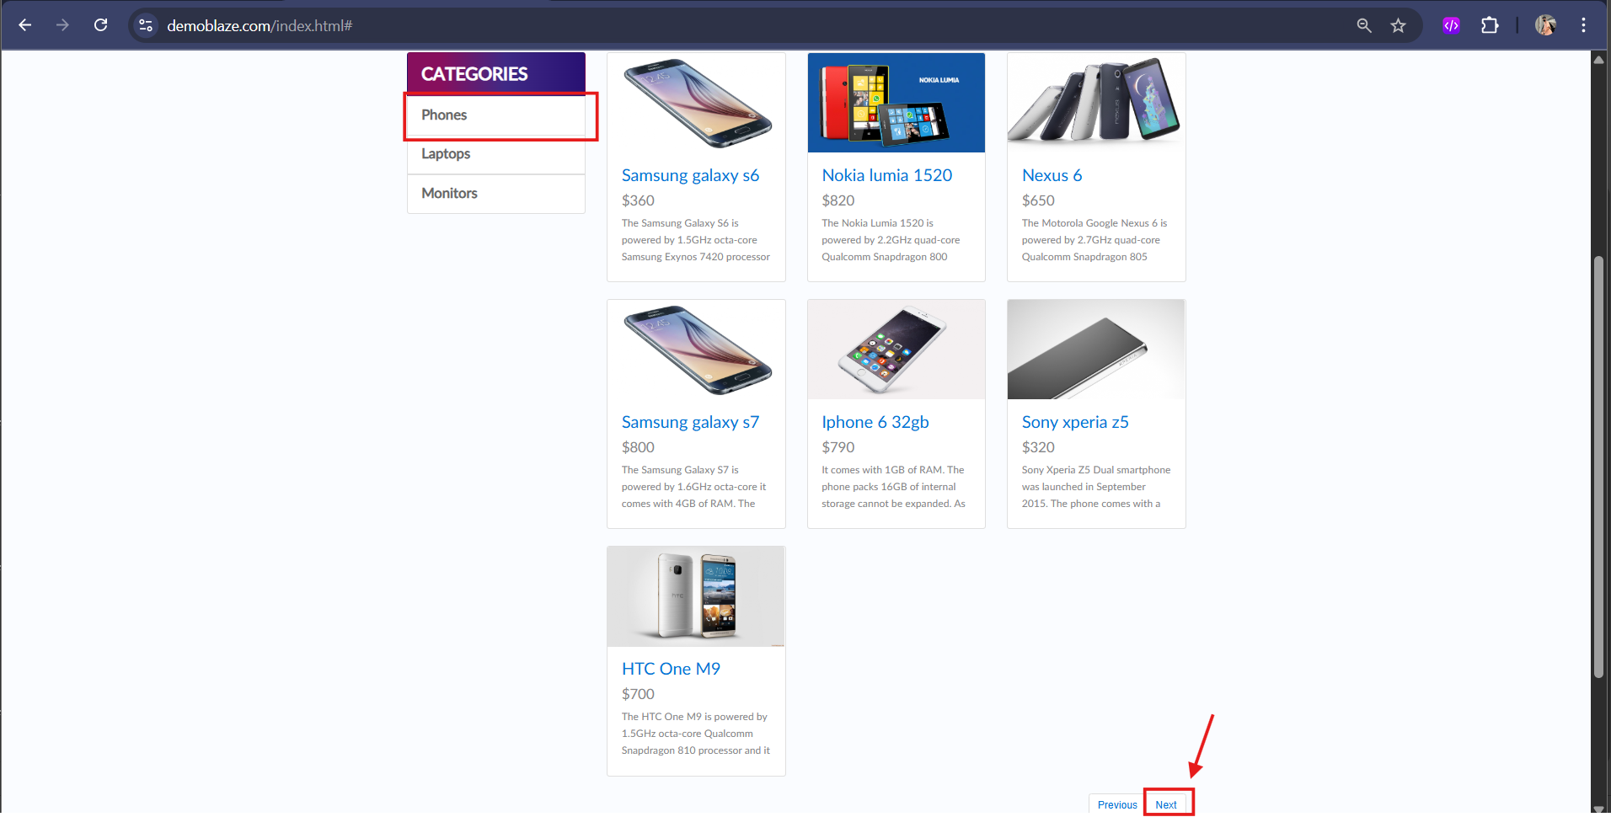
LB_0007 | 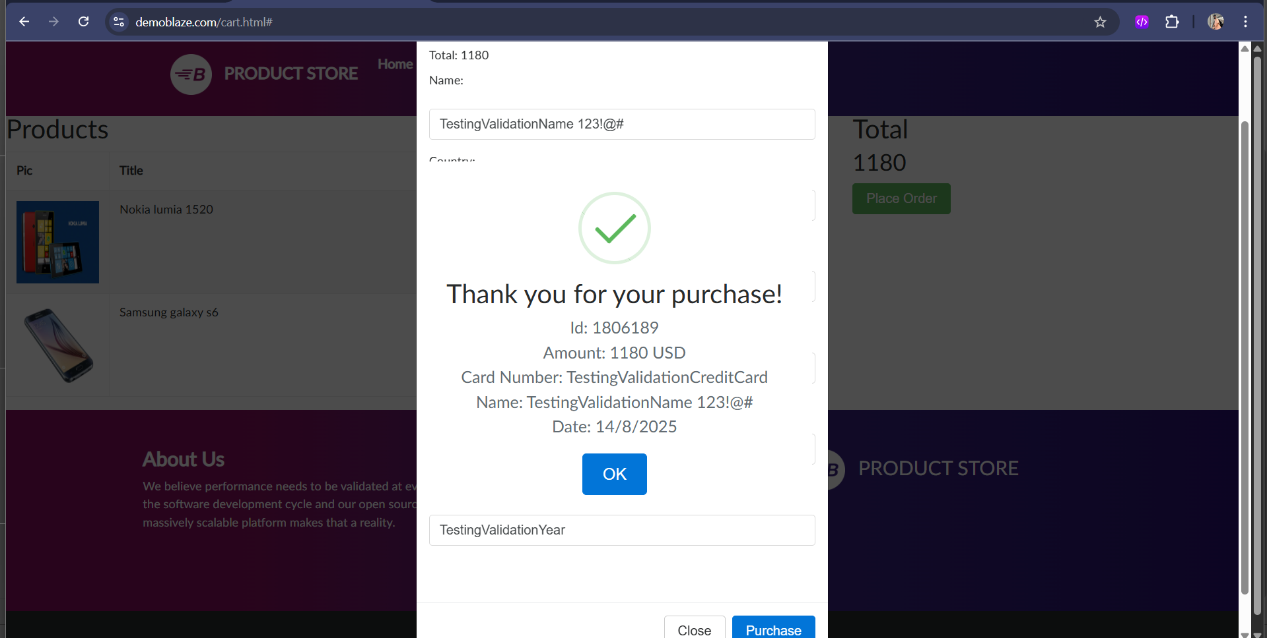 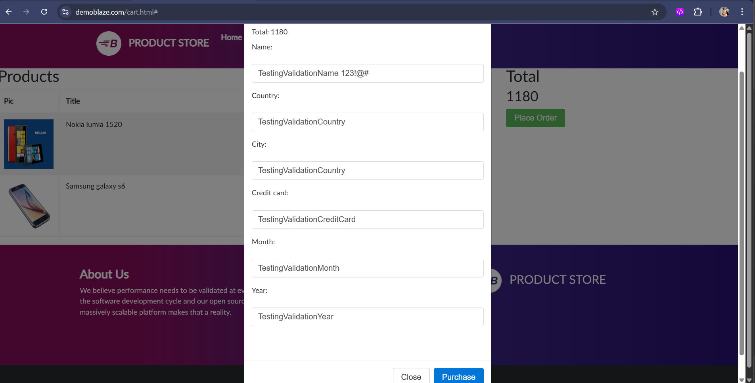
LB_0008 | 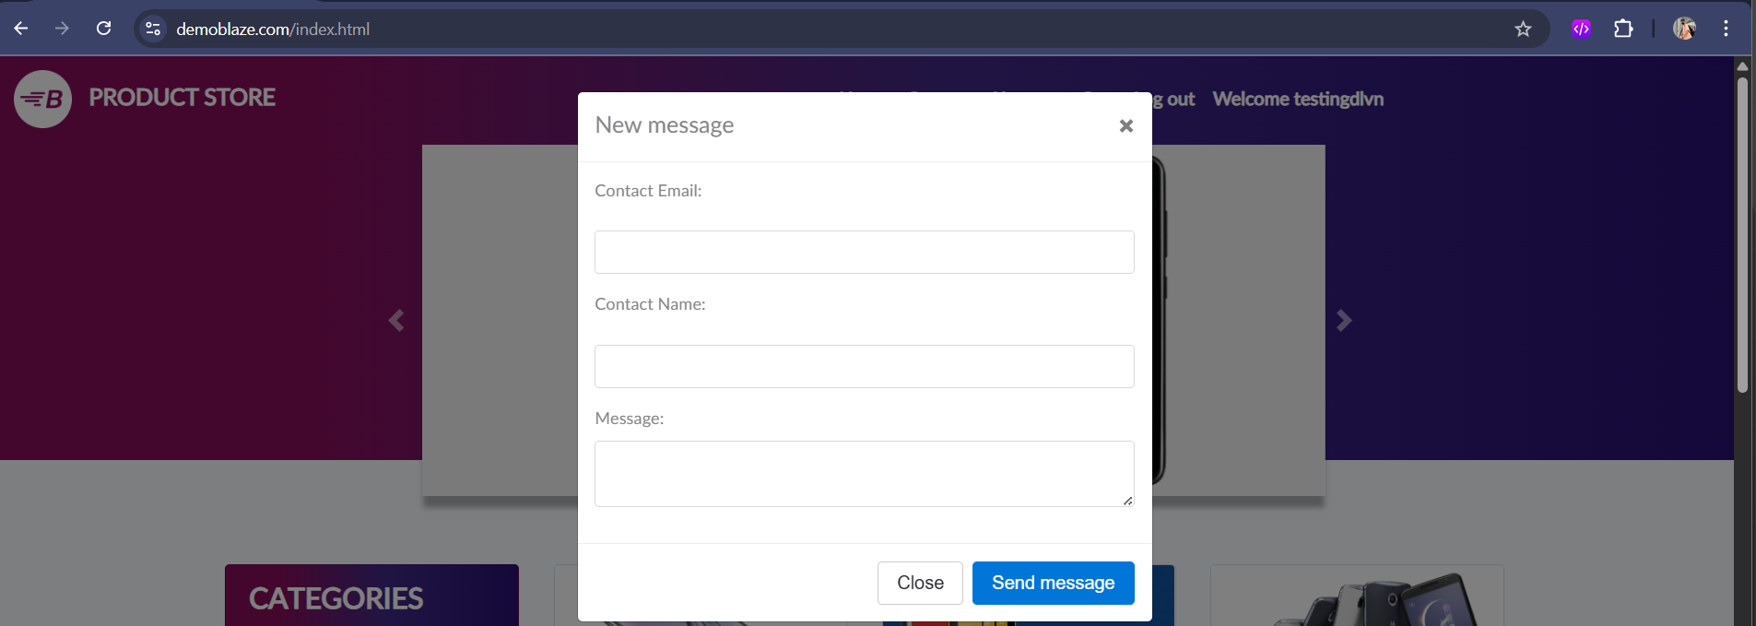 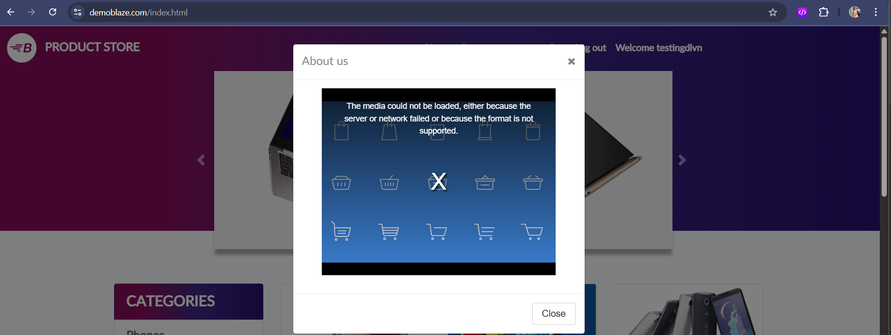

No | Print Screen
LB_0009 | 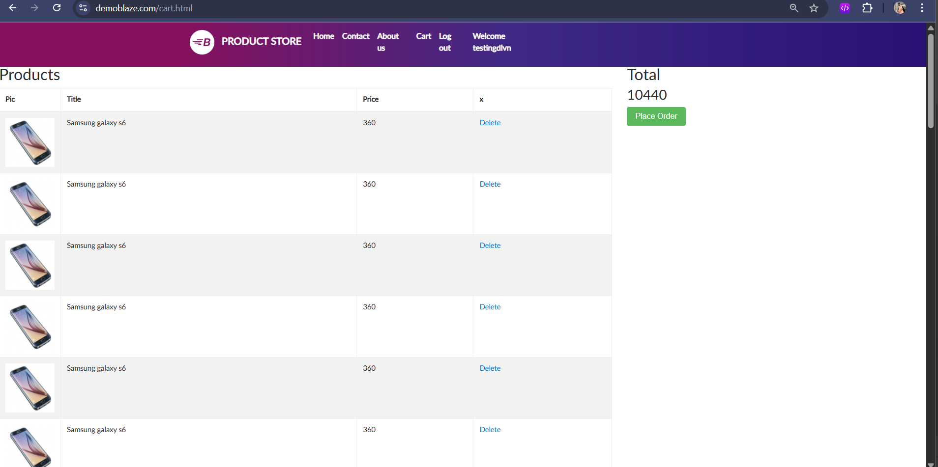
LB_0010 | 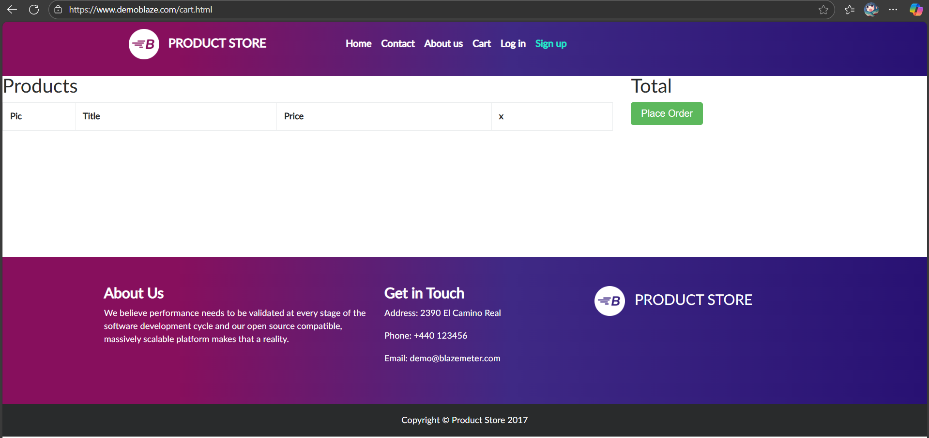
LB_0011 | 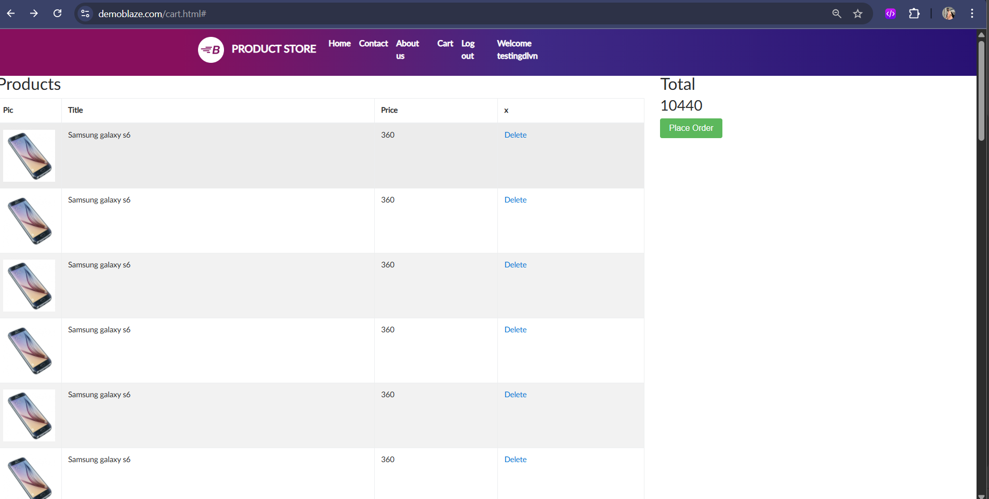
LB_0012

